Sheet1
Story of User

I request to do some application for little compedition game. The rule is that they can add themselves any words, numbers into the list and they can memorize it and asks each other what word or numbers was there after adding all of them togheter. And champion will be one who calculates all the numbers on the list. Having GUI would be nice

Functional requirements.
FR 1 | I requested adjustable list program
FR 2 | I want to always check the list
FR 3 | I want to add item in the list freely
FR 4 | I want to search the item from the list
FR 5 | I want to remove item from the list
FR 6 | I want to calculate sum of numbers on the list
FR 7 | I want function that exit the program
FR 8 | Program can have GUI, if there is possible

Test

Test case ID | Title | Preconditions | Test step1 | Expected outcome | Run Date | Actual outcome | Status | Test step 2 | Expected outcome | Run Date | Actual outcome | Status | Test step 3 | Expected outcome | Run Date | Actual outcome | Status
FR 1 | User can always check the list |  | Check list displayed | List should appear with all list | 2023-02-11 | List appeared correctly (pic1) | Passed | Check after add items on the list | List should appear with all list | 2023-02-11 | list appeared (piic3) | Passed | Check after remove items on the list | List should appear with all list | 2023-02-11 | List appeared (pic2) | Passed
FR 2 | User can add item in the list |  | Add words into list | List should be works fine | 2023-02-11 | Word added (pic3) | Passed | Add numbers into list | Numbers added into list | 2023-02-11 | Numbers added | Passed | Add floatt into list | Float added | 2023-02-11 | Float added | Passed
FR 3 | User can search the item from the list |  | Search words from list | Search should works fine | 2023-02-11 | Words found | Passed | Search numbers from list | Numbers should appear | 2023-02-11 | Default numbers can't be found but added number can be founded | Passed | Search float from list | Float found | 2023-02-11 | Default floats are not found but added floats are found | Passed
FR 4 | User can remove item from the list |  | Remove item from list | Remove should works fine | 2023-02-11 | word removed | Passed | Remove non existing item from list | Program should continue to work | 2023-02-11 | Program continues working | Passed
FR 5 | User can sees sum of numbers on the list |  | Calculates sum of numbers | Sum should add up | 2023-02-11 | Sum shows correct | Passed | Add numbers with a symbol and find out if test1 result changed | Sum should shows same | 2023-02-11 | Sum shows same | Passed
FR 6 | User can exit the program |  | Try exit | Exit should work | 2023-02-11 | Exit works | Passed | Try exit using ctrl+c command | Program terminates | 2023-02-11 | Program terminates | Passed
FR 7 | Program can have GUI, if there is possible |  | Check if there is Gui | See the program | 2023-02-11 | No GUI included | Failed | Check 3rd party software | If there is GUI under 3rd party check it | 2023-02-11 | No GUI included | Failed
FR 8 | Check the program following Python style guide | See python style guide and use a rule numbers as identify what rule not included in this program (precondition 1) | Check codes and find out if there is any mistake | There is all rules should be followed | 2023-02-11 |  |  |  |  | 2023-02-11
FR 9 + | User requested adjustable list program |  | Sum all tests | Everything works with no error | 2023-02-11 | Everything works for users requirement | Passed |  |  | 2023-02-11

Python Style Guide (precondition 1)
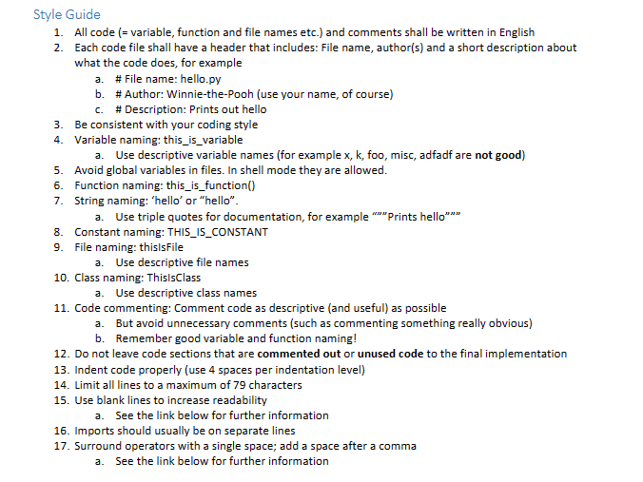

pic1 |  |  | pic2 |  | pic3
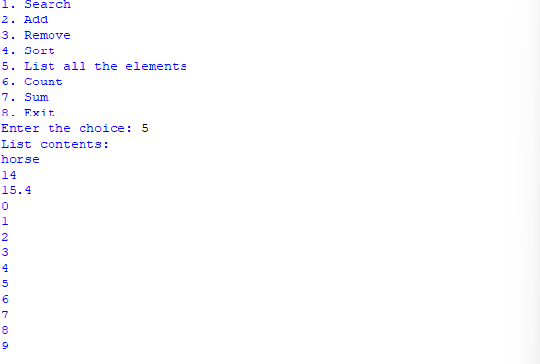
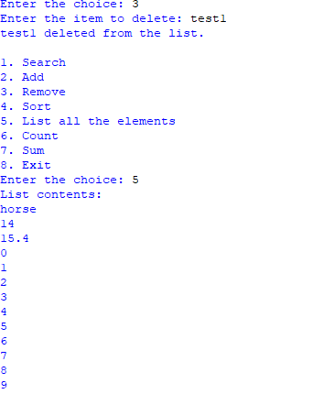
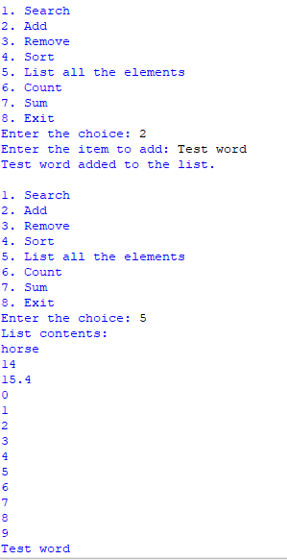

 | All test result are in text so I included not screen shots but whole result.

 | 1. Search
 | 2. Add
 | 3. Remove
 | 4. Sort
 | 5. List all the elements
 | 6. Count
 | 7. Sum
 | 8. Exit
 | Enter the choice: 1
 | Enter the item to search for: aswqe
 | aswqe not found in the list.

 | 1. Search
 | 2. Add
 | 3. Remove
 | 4. Sort
 | 5. List all the elements
 | 6. Count
 | 7. Sum
 | 8. Exit
 | Enter the choice: 5
 | List contents:
 | horse
 | 14
 | 15.4
 | 0
 | 1
 | 2
 | 3
 | 4
 | 5
 | 6
 | 7
 | 8
 | 9

 | 1. Search
 | 2. Add
 | 3. Remove
 | 4. Sort
 | 5. List all the elements
 | 6. Count
 | 7. Sum
 | 8. Exit
 | Enter the choice: 2
 | Enter the item to add: test1
 | test1 added to the list.

 | 1. Search
 | 2. Add
 | 3. Remove
 | 4. Sort
 | 5. List all the elements
 | 6. Count
 | 7. Sum
 | 8. Exit
 | Enter the choice: 5
 | List contents:
 | horse
 | 14
 | 15.4
 | 0
 | 1
 | 2
 | 3
 | 4
 | 5
 | 6
 | 7
 | 8
 | 9
 | test1

 | 1. Search
 | 2. Add
 | 3. Remove
 | 4. Sort
 | 5. List all the elements
 | 6. Count
 | 7. Sum
 | 8. Exit
 | Enter the choice: 3
 | Enter the item to delete: 9
 | 9 not found in the list.

 | 1. Search
 | 2. Add
 | 3. Remove
 | 4. Sort
 | 5. List all the elements
 | 6. Count
 | 7. Sum
 | 8. Exit
 | Enter the choice: 3
 | Enter the item to delete: 9
 | 9 not found in the list.

 | 1. Search
 | 2. Add
 | 3. Remove
 | 4. Sort
 | 5. List all the elements
 | 6. Count
 | 7. Sum
 | 8. Exit
 | Enter the choice: 3
 | Enter the item to delete: test1
 | test1 deleted from the list.

 | 1. Search
 | 2. Add
 | 3. Remove
 | 4. Sort
 | 5. List all the elements
 | 6. Count
 | 7. Sum
 | 8. Exit
 | Enter the choice: 5
 | List contents:
 | horse
 | 14
 | 15.4
 | 0
 | 1
 | 2
 | 3
 | 4
 | 5
 | 6
 | 7
 | 8
 | 9

 | 1. Search
 | 2. Add
 | 3. Remove
 | 4. Sort
 | 5. List all the elements
 | 6. Count
 | 7. Sum
 | 8. Exit
 | Enter the choice: 2
 | Enter the item to add: Test word
 | Test word added to the list.

 | 1. Search
 | 2. Add
 | 3. Remove
 | 4. Sort
 | 5. List all the elements
 | 6. Count
 | 7. Sum
 | 8. Exit
 | Enter the choice: 5
 | List contents:
 | horse
 | 14
 | 15.4
 | 0
 | 1
 | 2
 | 3
 | 4
 | 5
 | 6
 | 7
 | 8
 | 9
 | Test word

 | 1. Search
 | 2. Add
 | 3. Remove
 | 4. Sort
 | 5. List all the elements
 | 6. Count
 | 7. Sum
 | 8. Exit
 | Enter the choice: 1
 | Enter the item to search for: 9
 | 9 not found in the list.

 | 1. Search
 | 2. Add
 | 3. Remove
 | 4. Sort
 | 5. List all the elements
 | 6. Count
 | 7. Sum
 | 8. Exit
 | Enter the choice: 1
 | Enter the item to search for: 5
 | 5 not found in the list.

 | 1. Search
 | 2. Add
 | 3. Remove
 | 4. Sort
 | 5. List all the elements
 | 6. Count
 | 7. Sum
 | 8. Exit
 | Enter the choice: 1
 | Enter the item to search for: horse
 | horse found in the list.

 | 1. Search
 | 2. Add
 | 3. Remove
 | 4. Sort
 | 5. List all the elements
 | 6. Count
 | 7. Sum
 | 8. Exit
 | Enter the choice: 2
 | Enter the item to add: 9
 | 9 added to the list.

 | 1. Search
 | 2. Add
 | 3. Remove
 | 4. Sort
 | 5. List all the elements
 | 6. Count
 | 7. Sum
 | 8. Exit
 | Enter the choice: 5
 | List contents:
 | horse
 | 14
 | 15.4
 | 0
 | 1
 | 2
 | 3
 | 4
 | 5
 | 6
 | 7
 | 8
 | 9
 | Test word
 | 9

 | 1. Search
 | 2. Add
 | 3. Remove
 | 4. Sort
 | 5. List all the elements
 | 6. Count
 | 7. Sum
 | 8. Exit
 | Enter the choice: 1
 | Enter the item to search for: 15.4
 | 15.4 not found in the list.

 | 1. Search
 | 2. Add
 | 3. Remove
 | 4. Sort
 | 5. List all the elements
 | 6. Count
 | 7. Sum
 | 8. Exit
 | Enter the choice: 2
 | Enter the item to add: 15.6
 | 15.6 added to the list.

 | 1. Search
 | 2. Add
 | 3. Remove
 | 4. Sort
 | 5. List all the elements
 | 6. Count
 | 7. Sum
 | 8. Exit
 | Enter the choice: 1
 | Enter the item to search for: 15.6
 | 15.6 found in the list.

 | 1. Search
 | 2. Add
 | 3. Remove
 | 4. Sort
 | 5. List all the elements
 | 6. Count
 | 7. Sum
 | 8. Exit
 | Enter the choice: 3
 | Enter the item to delete: horse
 | horse deleted from the list.

 | 1. Search
 | 2. Add
 | 3. Remove
 | 4. Sort
 | 5. List all the elements
 | 6. Count
 | 7. Sum
 | 8. Exit
 | Enter the choice: 3
 | Enter the item to delete: kasjd
 | kasjd not found in the list.

 | 1. Search
 | 2. Add
 | 3. Remove
 | 4. Sort
 | 5. List all the elements
 | 6. Count
 | 7. Sum
 | 8. Exit
 | Enter the choice: 7
 | Sum of numeric items in the list: 74.4

 | 1. Search
 | 2. Add
 | 3. Remove
 | 4. Sort
 | 5. List all the elements
 | 6. Count
 | 7. Sum
 | 8. Exit
 | Enter the choice: 2
 | Enter the item to add: 124s
 | 124s added to the list.

 | 1. Search
 | 2. Add
 | 3. Remove
 | 4. Sort
 | 5. List all the elements
 | 6. Count
 | 7. Sum
 | 8. Exit
 | Enter the choice: 7
 | Sum of numeric items in the list: 74.4

 | 1. Search
 | 2. Add
 | 3. Remove
 | 4. Sort
 | 5. List all the elements
 | 6. Count
 | 7. Sum
 | 8. Exit
 | Enter the choice:

